Input


Click on yellow boxes to select or enter details

System | 3840 Hand drawn track
track size | 1800
Pair or single stack | S
Glider cord/Curtain hook spacing | 80 160 |  | 80 | 80
 |  |  |  | 160
Calculated number of gliders per curtain is |  | 24
Cut Wave tape to this number of pockets (this includes 2 pockets each end for hemming) |  | 195
Calculated number of pockets per curtain |  | 191
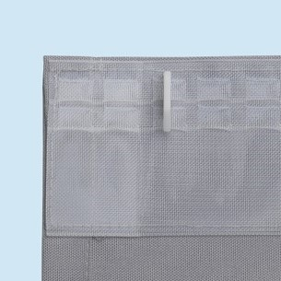
Updated by DRB Silent Gliss Nov 2017

Note - leading & trailing edges -
For 60mm = 2 pockets
For 80mm = 3 pockets

