Input


Click on blue shaded areas to select or enter details

System | SG 5100 Electric Track
track size | 1780
Pair or single stack | S
Glider cord/Curtain hook spacing | 80 160 |  | 80 | 80
 |  |  |  | 160
Number of hooking positions (hooks in curtain) |  | 24
Cut Wave tape to this number of pockets (this includes 2 pockets each end for hemming) |  | 195
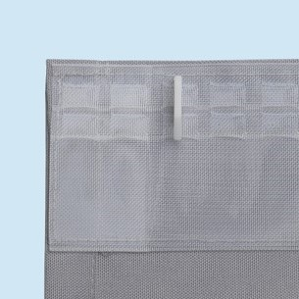
 |  |  |  | Electric Tracks add 2 extra pockets on MOTOR SIDE ONLY

Note - leading & trailing edges -
For 60mm = 3rd pocket
For 80mm = 4th pocket |  |  |  | Add on 25cm for drop turnings.
 |  |  |  | Wide width add on 20cm for side turnings.
 |  |  |  | Add on extra pockets for motor both sides on Somfy tracks (pair).

Updated by Silent Gliss October 2019

